1. Title Page
[Project Name]

Project Name:
Date: 22.05.2025
Analyst Name: Nico Bui

Contents:
Population Flow
Consistency checks
Wrangling steps
Column derivations
Visualizations
Recommendations

2. Population Flow
Title page

Population flow

Exclusion flag
Condition: max_order <
Obervations to be removed:
Final total count of order_products_all:

Orders_products_combined
Orders_products_merged
Orders_products_all

Total: (32404859, 19)
Total: (32434489, 14)
Total: 32404859, 26

1.) The grey boxes in the first row of the population flow represent the original data sets as they were when you downloaded them. In the Total fields you need to add the count of the rows when you imported the data set into Jupyter.
2.) The second row of boxes (coloured) represents the data sets after you manipulated them, e.g., removed missing values and duplicates. In the Total fields you need to add the count of the rows after conducting these operations. This offers a visual oveview of how the data flows throughout the data consistency checks.
3.) The third row, where also the arrows are coloured, represents the merges you performed between the datasets. In the Total fields you need to add the count of the rows in the merged datasets, so that you end up with the final dataset (in the red box). Keep in mind the final dataset should be without exclusions (based on the exclusion flag).

3. Consistency checks
 |  |  |  | Title page
Consistency checks

Dataset | Missing values | Missing values treatment | Duplicates
orders | days_since_prior_order (206209 rows × 8 columns) | I will keep it as such, because it shows the customers first orders.
products | product_name, 16 values | dropped | droped duplicates
orders_products_prior
customers

4. Wrangling steps
 |  |  |  | Title page
Wrangling steps

Columns dropped | Columns renamed | Columns' type changed | Comment/Reason
eval_set' | order_dow':'orders_day_of_week' | order_id', 'order_number' | orders
 | new_header |  | products
_merge' |  |  | orders_products_combined
Unnamed:0 |  |  | ords_prods_merge
First Name, Surenam | STATE': 'state', 'Age': 'age', 'Gender': 'gender' |  | customers

5. Column derivations
 |  |  |  | Title page

Column derivations and aggregations

In this tab you should add tables below that the frequences of flags/label variables that you produced after deriving them. NB: don't do this for continuous variables, only for flags.
Dataset | New column | Column/s it was derived from | Conditions
ords_prods_merge | price_range | prices | Low-range product, Mid-range product, High range product
ords_prods_merge | busiest_day | orders_day_of_week | busiest day, least busy, regularly busy
ords_prods_merge | businest_period_of_day | orders_hour_of_day | most orders, average orders, fewest orders
ords_prods_merge | max_order | user_id, order_number | transform(np.max)
ords_prods_merge | loyalty flag | max_order | loyal customer, regular customer, new customer
ords_prods_merge | user_avg | comes from user_id and prices
ords_prods_merge | high_spender | prices in user_avg | low spender, high spender
ords_prods_merge | median_ordering | user_id, days_since_prior_order | median
ords_prods_merge | order_frequency | median_ordering | non-frequent customer, regular customer, frequent customer

6. Visualizations
 |  | Title page

Visualisations

In this tab you should include all the visualtions from Exercises 4.9 and 4.10, alongside the questions from the project brief that they answer. Include any commentary on the relationship between different variables.

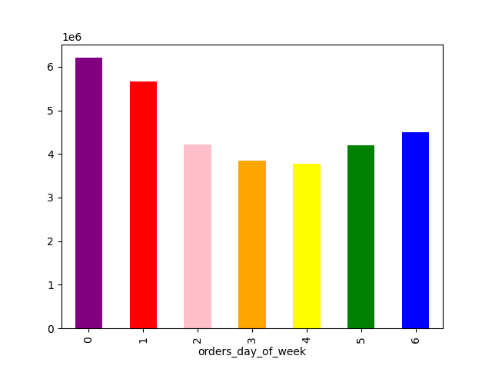



 | Histogram from prices (bin = 25) |  |  | Histogram from prices (bin =70)

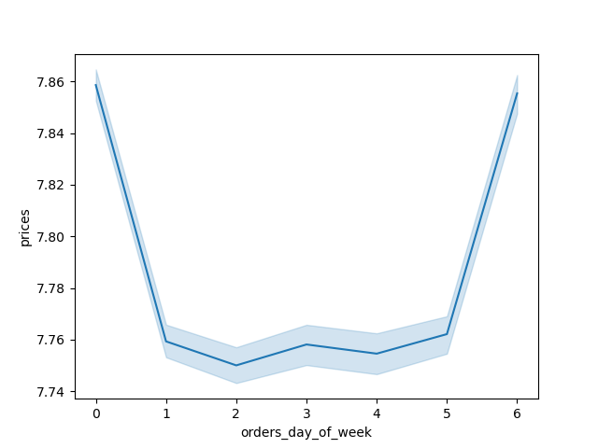
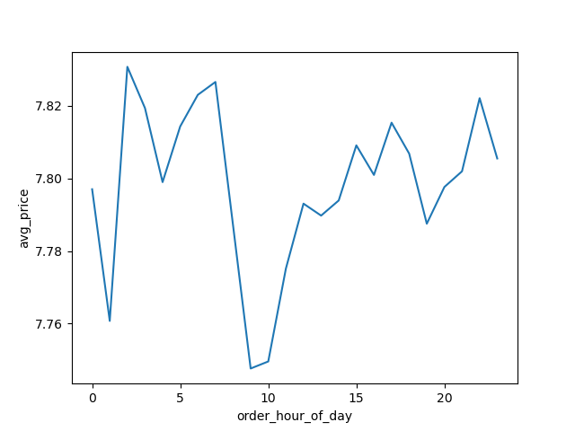

 |  |  | Histogram oder hour of day


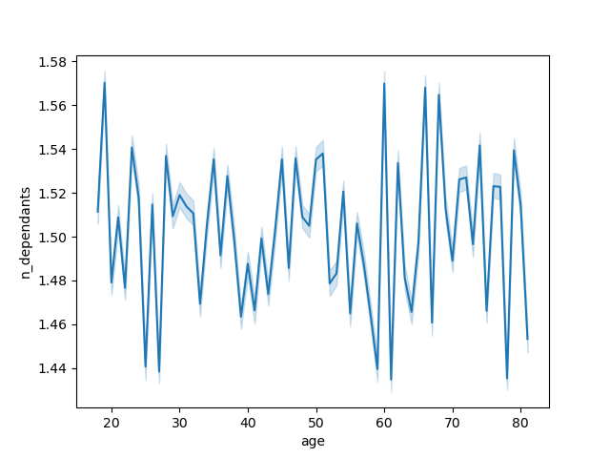

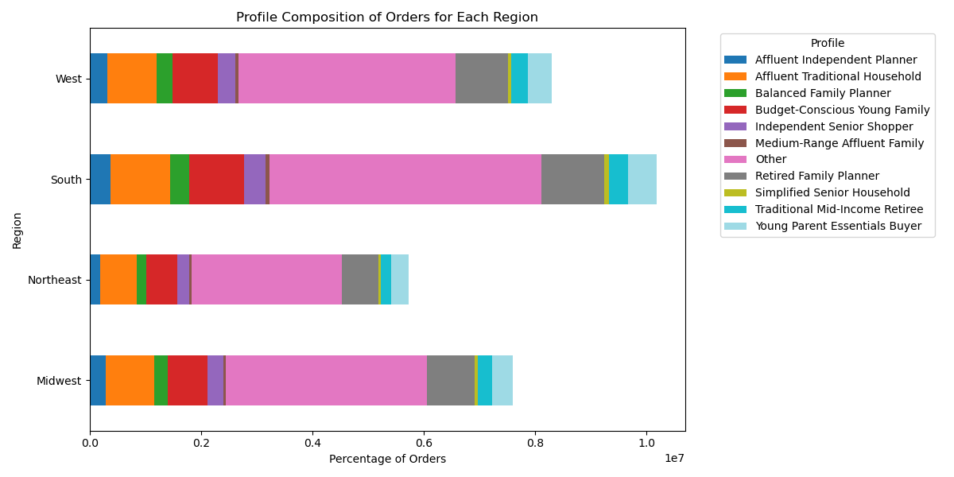
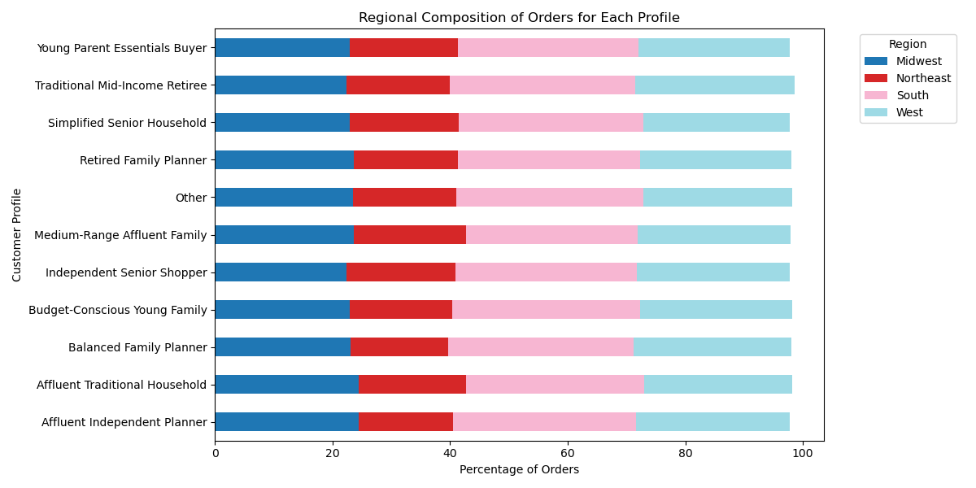

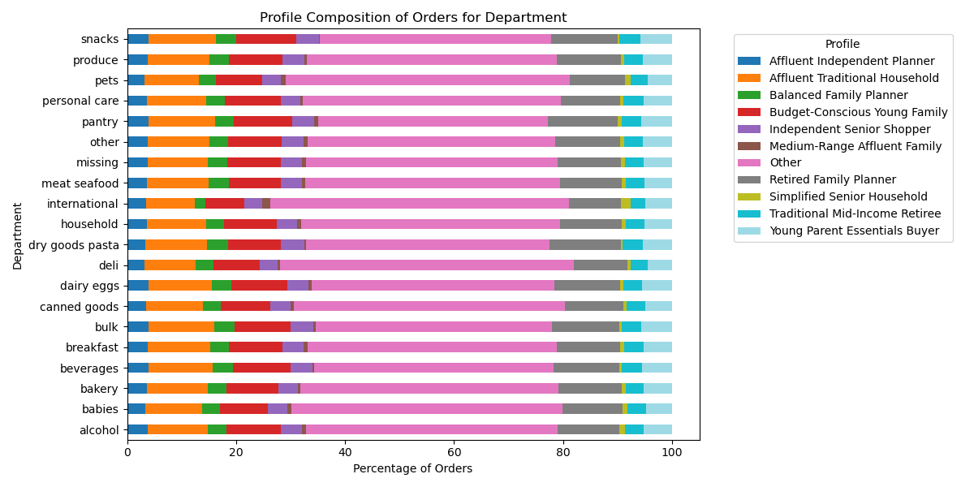
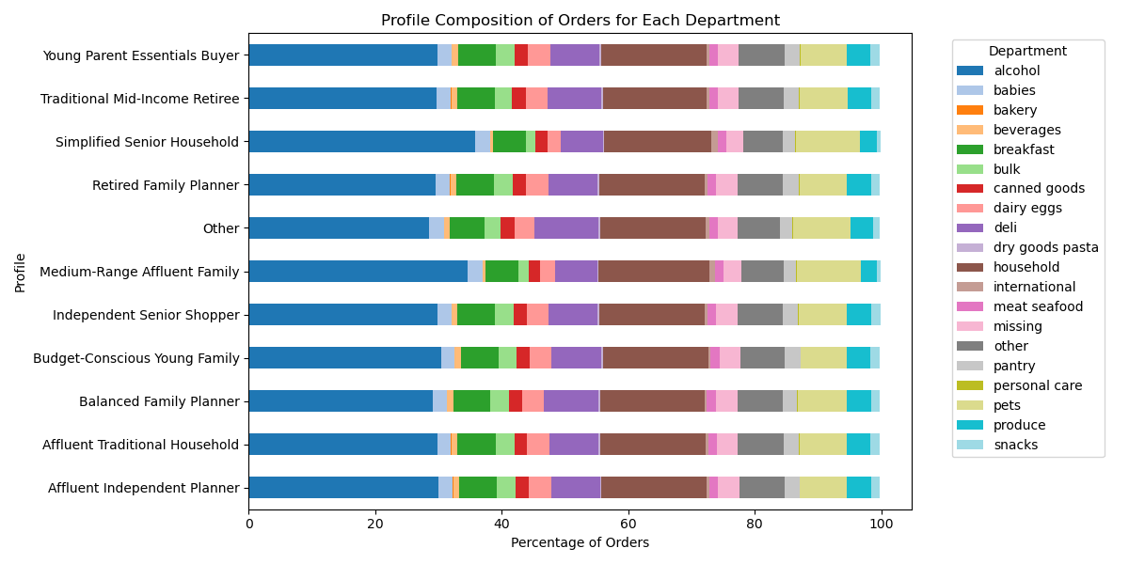

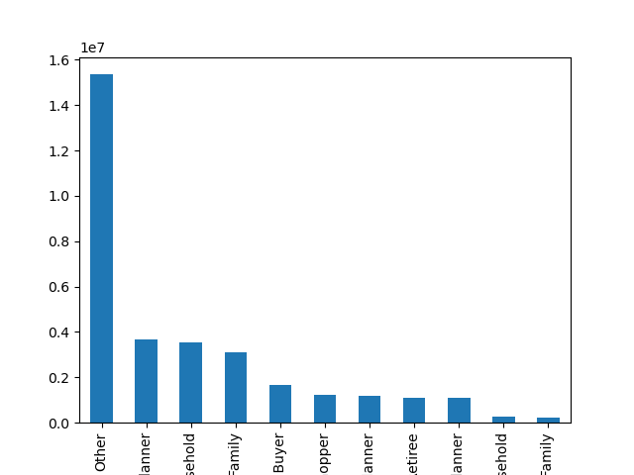

Profile

7. Recommendations
 |  |  |  | Title page

Recommendations

In this tab you should include any recommendations you would made to Instcart in terms of their marketing strategy based on the questions posed in the brief. Every key question has been covered in the Tasks of the Exercises - here you need to add an item - a visualisation or table/crosstable that is showing the answer in the data, acompanied by a comment from you. Please, list the questions below and add the answer underneath.

Question | Answer / Insight | Visual | Recommendation
What are the peak hours for customer orders? | Orders peak between 10 AM and 3 PM. | Order Hour Histogram | Schedule promos in this window.
On which days of the week are customers most active? | Sundays and Mondays have highest volumes. | Orders by Day of Week Bar Chart | Launch weekly deals on Sunday morning.
Are there any clear price sensitivity patterns? | Prices dip midweek, rise on weekends. | Avg Price by Day Line Chart | Midweek essentials bundles; test premium items on weekends.
Which departments are most frequently ordered? | Snacks, pantry, dairy, household dominate. | Profile Composition by Department | Prioritize loyalty promos in top categories.
What customer profiles are the most active? | “Other” dominates; then Retired, Balanced Family Planners. | Orders by Profile Bar Chart | Refine segmentation; target Budget-Conscious + Retired personas.
How do profiles vary by department? | Young Parents: baby, personal care; Retired: pantry, household. | Department by Profile Chart | Show tailored categories on homepages.
How does regional behavior differ by profile? | Budget-Conscious dominate South; Affluent in West. | Profile by Region Stacked Chart | Adapt regional ad tone and product mix.
What age and income patterns appear? | Higher incomes start ~age 35; dependants not linked. | Age vs Income + Dependants Plots | Promote premium options to 35–60 segment.
What is the loyalty distribution among customers? | Majority are non-loyalty flagged; high loyalty = frequent orders. | Loyalty Flag Bar Chart | Reward high-frequency regulars with milestone perks.
How concentrated are orders in a few segments/categories? | Top segments and categories drive most volume. | Profile x Department, Region x Profile | Prioritize campaigns around high-yield segments first.

